RM22TG20
Back To Main
Dimension Drawing | Wiring Connection | Function Diagram
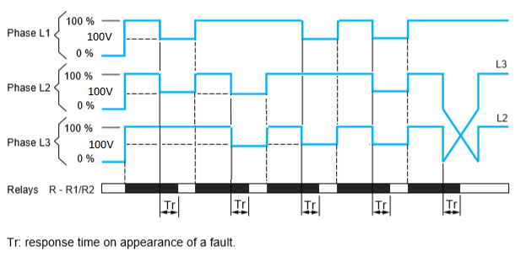
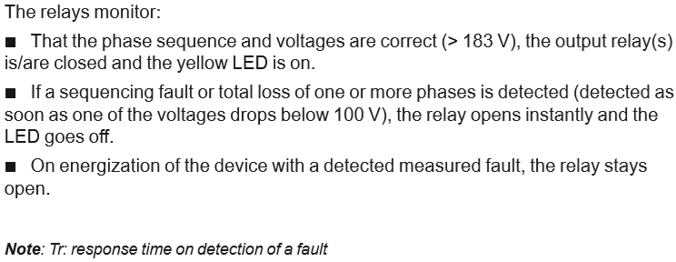
two
two
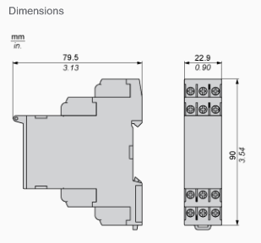
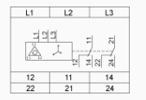

Correction

RM22TR33
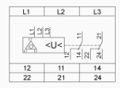
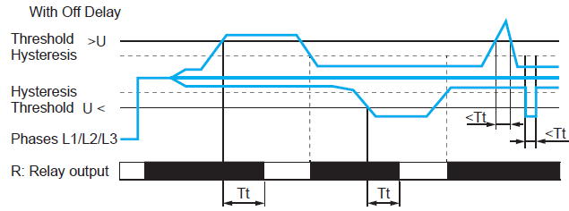
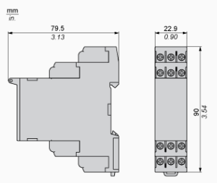
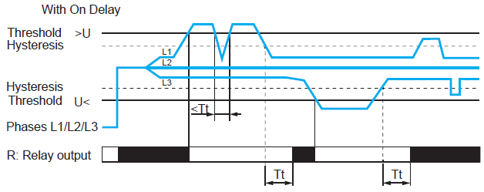
Back To Main
Dimension Drawing | Wiring Connection | Function Diagram

RM22TA33
Back To Main
Dimension Drawing |  | Wiring Connection |  | Function Diagram
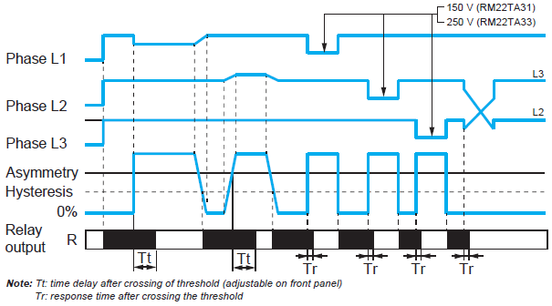
 | Same as RM22TR33 |  | Same as RM22TR33

RM17TE00
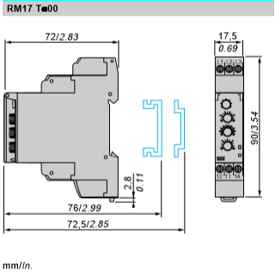
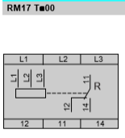
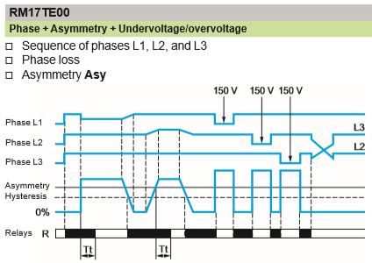
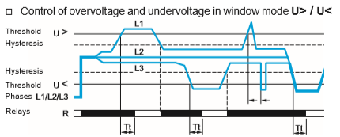
Back To Main
Dimension Drawing | Wiring Connection | Function Diagram

RM35UB3N30
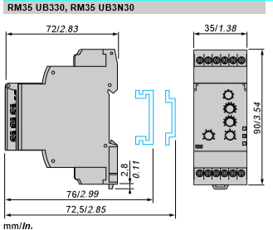
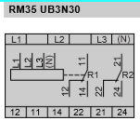
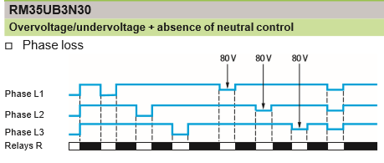
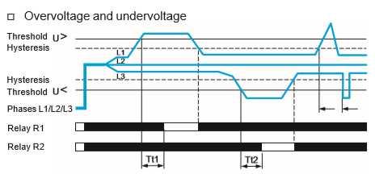
Back To Main
Dimension Drawing | Wiring Connection | Function Diagram

RM17UB310
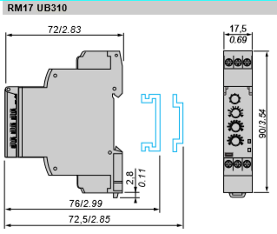
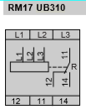
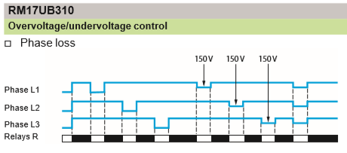
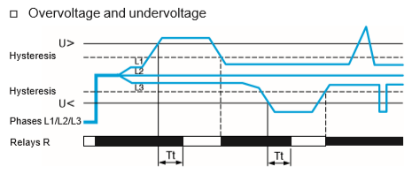
Back To Main
Dimension Drawing | Wiring Connection | Function Diagram

RM17TU00
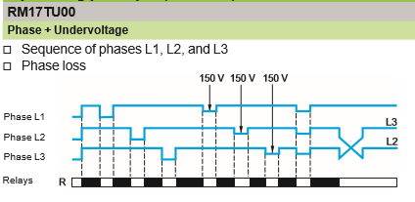
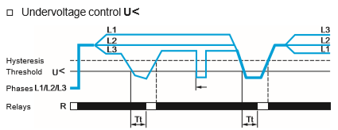
Back To Main
Dimension Drawing | Wiring Connection | Function Diagram

RM35TF30
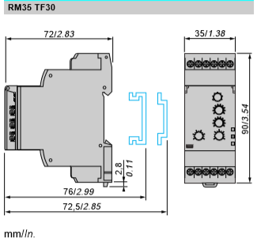
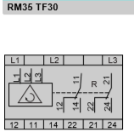
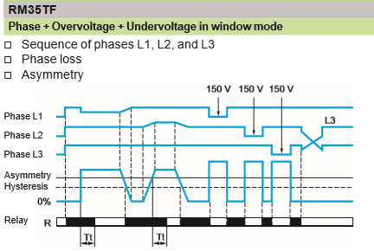
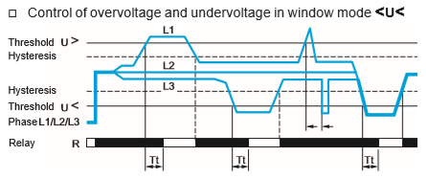
Back To Main
Dimension Drawing | Wiring Connection | Function Diagram

RM17TG20
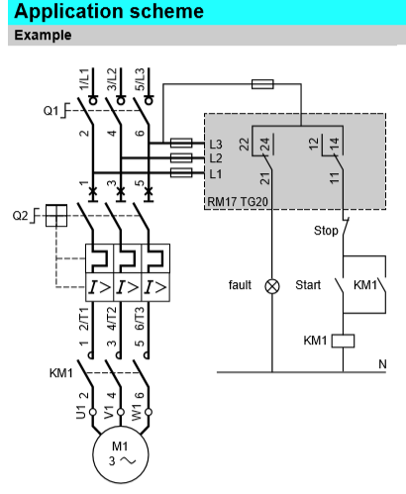
Back To Main
Dimension Drawing | Wiring Connection | Function Diagram

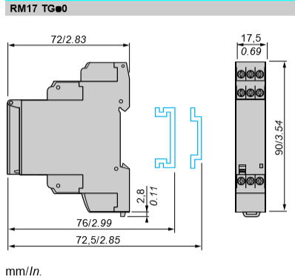
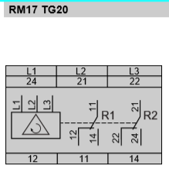
 |  |  | Same as RM22TG20

RM17TG00
Back To Main
Dimension Drawing |  | Wiring Connection | Function Diagram

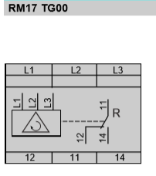
 | Same as RM17TG20 |  |  | Same as RM22TG20

RM17TA00
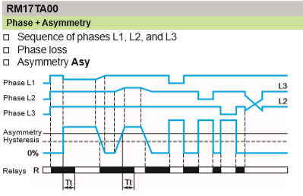
Back To Main
Dimension Drawing | Wiring Connection | Function Diagram

RM17TT00
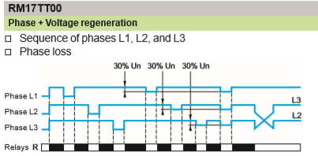
Back To Main
Dimension Drawing | Wiring Connection | Function Diagram

RM35UB330
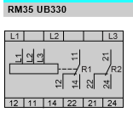
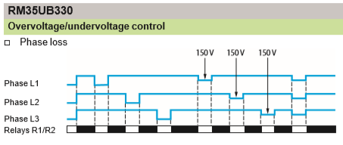
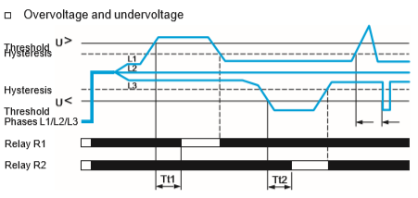
Back To Main
Dimension Drawing | Wiring Connection | Function Diagram

